PI

 |  |  | Xlnt windows - GSTIN 36AAAFX4787F1ZU
 |  |  | Unit - 6, Beside ORR Service Road,
 |  |  | Medchal, Hyderabad, India - 501401.
 |  |  | Email : info@xlntwindows.com
 |  |  | Website : https://xlntwindows.com

Proforma Invoice
Bill To |  |  | PI Number |  | 19012082
Client Name: | MR. DANIEL SIR |  | PI Date |  | 2025-12-19
Client GSTIN: | NA |  | Valid until |  | 2025-12-29
Client Address: | Aravindh Nagar |  | Contact Name |  | Mr. Daniel Sir
Reference : | Gautham |  | PI Prepared By |  | Soujanya
Window Profile: | Vlux Profile Systems
Window Series: | 90 Window Systems
Glass Make: | Saint Gobain
S.No | Item & Description | Total Units | Total Sq Feet | Avg Price | Amount
1 | uPVC Windows | 28 | 274.03 | 0.00 | -
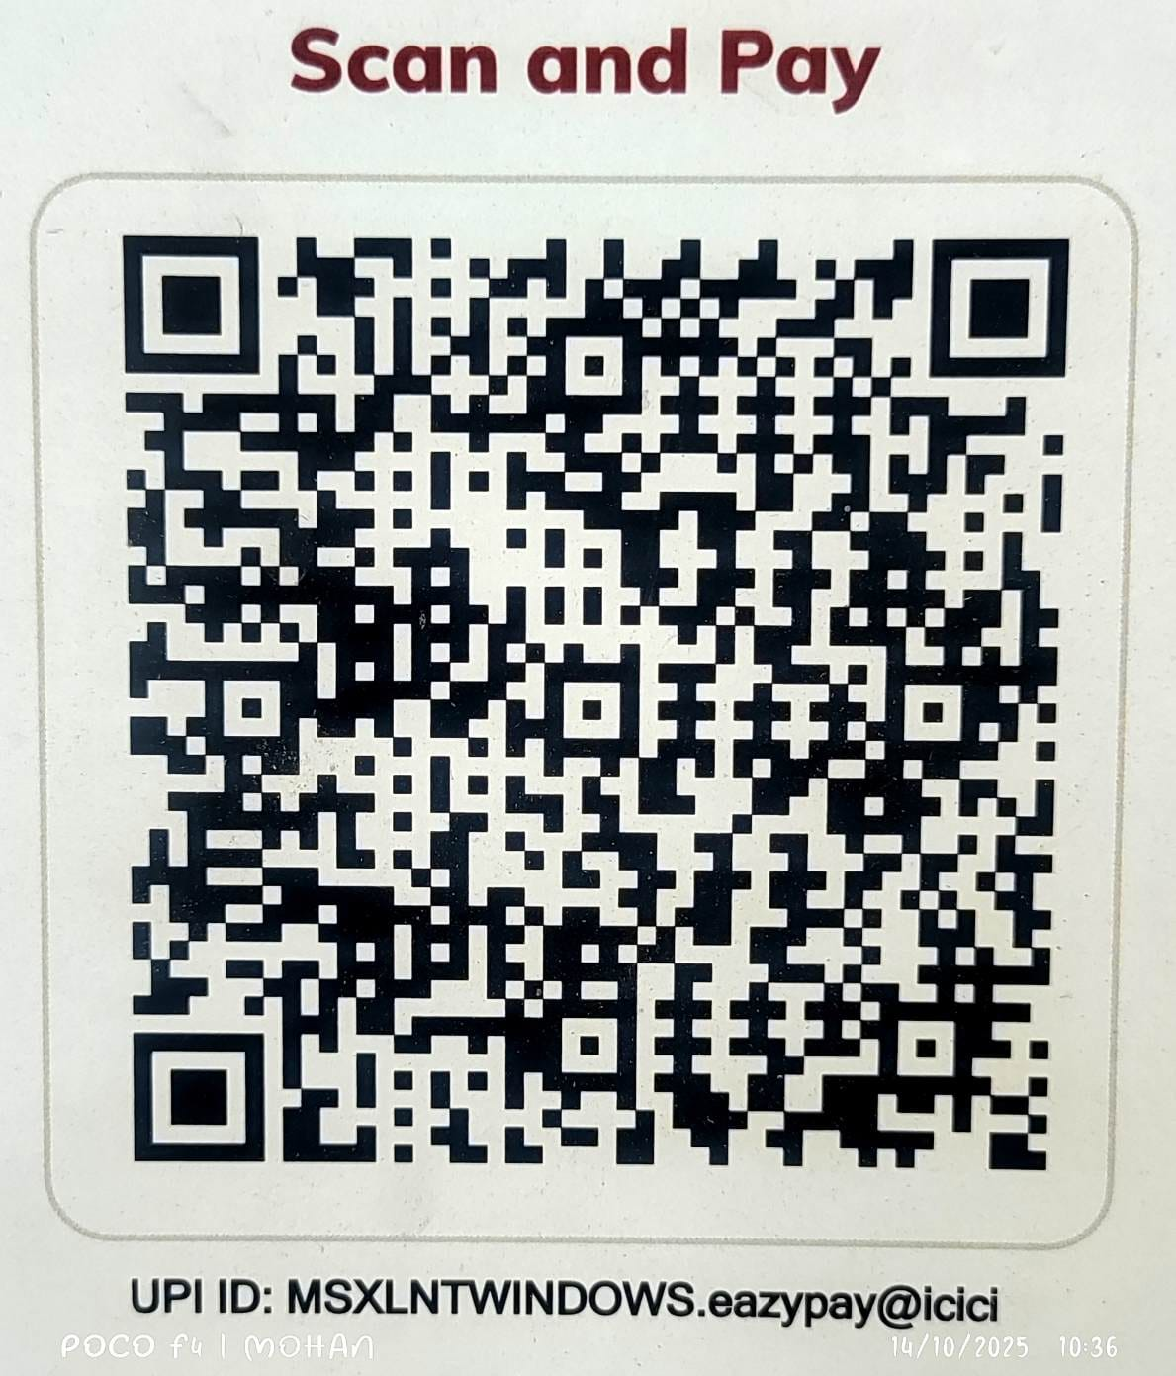
Bank Account Details |  |  | Sub total |  | -
Account Name : | XLNT WINDOWS |  | CGST Value 9% |  | -
Account Number: 111705002254 |  |  | SGST Value 9% |  | -
Bank: ICICI |  |  | Transport |  | 3,000.00
Branch: ALWAL BRANCH |  |  | Round Off |  | 0.71
Bank IFSC Code : ICIC0001117 |  |  | Total Value |  | ₹ 3,000.71
Date | Amount | Mode of Payment | Customer Signature | Staff Signature

Terms & Conditions 1. No civil works such as chipping, filling, etc., will be carried out by us. 2. Scaffolding, safe storage space, and free electricity supply at the site shall be provided by the client. 3. Payment Terms 60% advance payment is required along with the purchase order. 30% ofter dispatch of material to site The remaining 10% is due upon completion of work at the site. 4. Delivery Schedule The complete dispatch can be made within 4 weeks. 5. Offer Validity This offer is valid for 30 days from the date of issue. We hope you find this offer suitable and look forward to receiving your order at the earliest. I here by Agree for the above mentioned Quotation And the Terms & Conditons.

